Nitish - IMPORTANT
Pending | Rewards emails are not being sent - check whether there is a problem in detecting a sucessful referral or sending reward emails

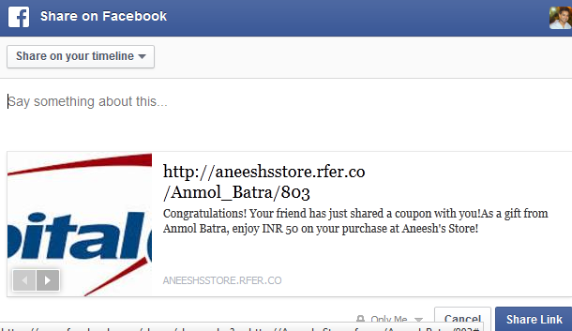
Pending | Correct Google meta data not being pulled
Pending | Correct Facebook meta data not being pulled
Pending | No meta pulled for Twitter - only link is visible

Pending | Make LHS and RHS consistent in terms of content

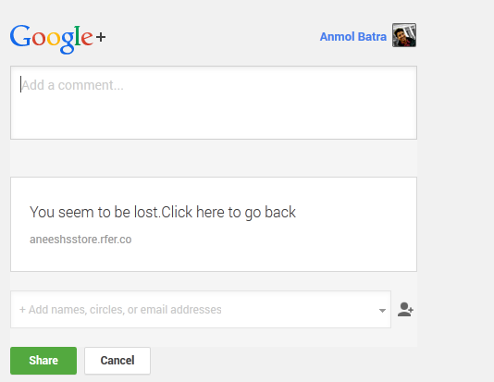
 | Issue
Pending | If no name pulled, random link generated - you get error while sharing saying you seem to be lost
 | Solution
 | Add a dummy name in case name is not pulled
 | So instead of the link 'http://aneeshsstore.rfer.co//403', we should get a link 'http://aneeshsstore.rfer.co/x/403'
 | Understood? Call me to clarify if any doubts

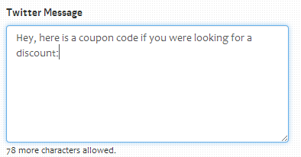

Pending | Fix allower charaters for twitter message carefully, leaving ample space for the link to fit in

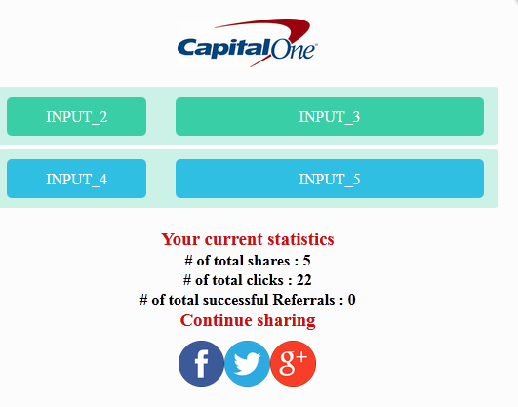

Pending | Set defaults for each stage
 | I didn't go and press save and this is what is coming

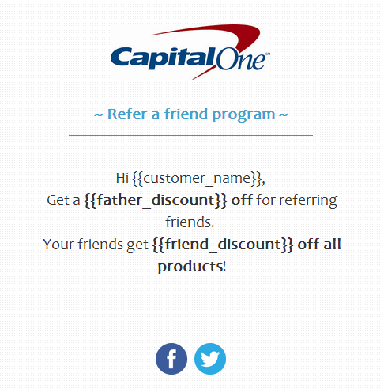
Pending | I will send you tomorrow word doc text for each popup and email template
 | Please set that as the default content for these

 | For example: Referral link is missing in this email

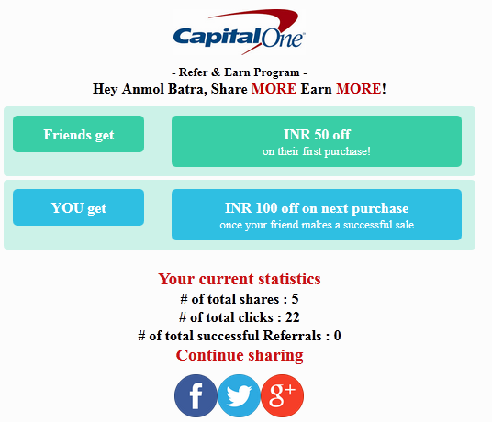

Pending | Analytics | Are these statistics being pulled live? Or are they delayed?
 |  | Will the numbers change if I share from thhis continued popup page
 |  | Doesn't seem to be the case

Pending | Email templates | Is there a reason why there is no google plus sharing link on any of the email templates?

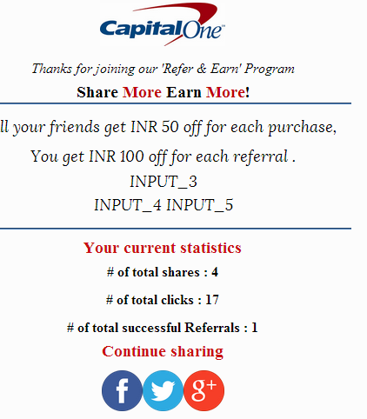
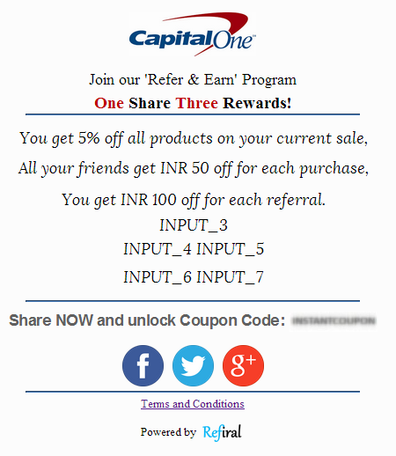
Pending | Popup | Whats wrong with this template?
 | Throwing random inpur variables as blanks

Nitish
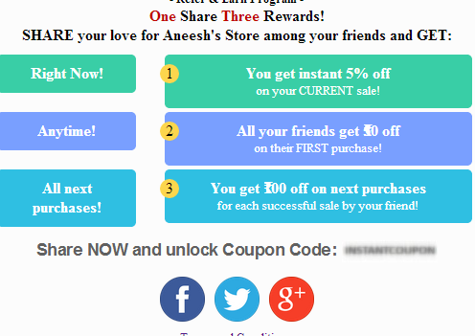
AB: Turn status for each point as you go on to complete it!
Changes to be made |  |  | Status
1 | Popup | Fix height of smaller boxes equal to right hand side bigger boxes | Pending
2 | Popup | Pull currency (INR) (wherever applicable), when fixed discount is chosen | Pending
3 | Analytics | Make sure all changes in funnel are addressed | Pending
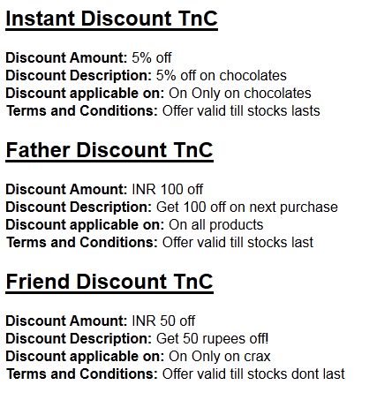

4 | T&C | Add 'Discount applicable on a minimum sale value of:' | Pending
5 | T&C | Change heading as 'Terms & Conditions: Instant discount offer', 'Terms & Conditions: Friend discount offer', 'Terms & Conditions: Reward discount offer' | Pending
6 | T&C | Apply our background + add logo somewhere | Pending
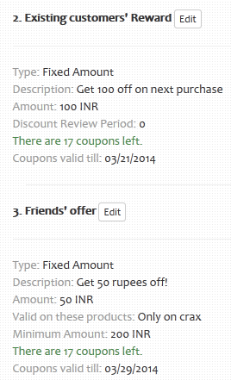
7 | T&C | As heading as: {{vendor name}} Referral Campaign | Pending

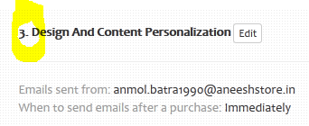
9 | Vendor setup | Turn drop downs in tabs for management dashboard and profile | Pending
10 | Vendor setup | Apply UI across all pages on management dashboard + profile + all other pages management dashboard links to + add manage coupon button on the right on management dashboard with a back button (implement all changes discussed before) | Pending
11 | Analytics | Figure out how are we getting increase random counts for 'Other clicks' | Pending
12 | Vendor setup | Swap step 2 and 3 - always keep friends discounet first and rewards discount offer in the end | Pending
13 | Vendor setup | Change step no. for design and content personalization page | Pending

14 | Analytics | Work with divjot to figure out how to vary timeline of area graph | Pending

Divjot
AB: Turn status for each point as you go on to complete it!

 | Changes to be made |  | Status
1 | Integration | Write integration steps for Zepo | Pending
2 | Integration | Make sure Nitish integrates it at the backend + check if its coming correctly | Pending
3 | Integration | Write integration steps for Buildabazaar | Pending
AB: No priority order - all changes to be made tomorrow itself - that is Saturday
4 | Integration | Make sure Nitish integrates it at the backend + check if its coming correctly | Pending
5 | Integration | Write integration steps for any other platform (telling you need to paste in footer of all pages or a particular page or whatever) | Pending
6 | Integration | Make sure Nitish integrates it at the backend + check if its coming correctly | Pending
7 | Analytics | Figure out how are we getting increase random counts for 'Other clicks' | Pending
8 | Twitter | Increase currently set delay in showing coupon code by 7 seconds | Pending
9 | Google plus | Increase currently set delay in showing coupon code by 7 seconds | Pending
10 | Popups | Reduce delay for all post purchase popups by half of what is set currently | Pending
11 | Analytics | Work with nitish to figure out how to vary timeline of area graph | Pending
12 | Integration | Zepo code is final - encrypt it now 0 its 2 pages currently - reduce as much as you can - make sure no s/w person can understand | Pending
13 | Integration | Complete Power Stores | Pending

Sahil
AB: Turn status for each point as you go on to complete it!
AB: You have lowest number of points, MUST complete ALL by Saturday EoD

 | Changes to be made |  | Status
1 | Analytics | Figure out how are we getting increase random counts for 'Other clicks' | Pending
2 | Admin panel | Complete account viewing for each vendor | Pending
3 | Admin panel | Complete account searching for each vendor | Pending

4 | Analytics | Are these statistics being pulled live? Or are they delayed? | Pending
 |  | Will the numbers change if I share from thhis continued popup page
 |  | Doesn't seem to be the case
5 | Admin panel | In the approval table you've made, I want another column with following fields as drop downs
 |  | XXS (<50)
 |  | XS (<125)
 |  | S (<200)
 |  | M (<300)
 |  | L (<450)
 |  | XL (<600)
 |  | XXL(<1000)

